Net Pts
Row Labels | Sum of Net Pts | If +
49ers | 127 | Y
Bears | -258 | N
Total Net Pts (2011-2021)
Bengals | 72 | Y
Bills | 106 | Y
Broncos | 284 | Y
Browns | -933 | N
Buccaneers | -347 | N
Cardinals | -66 | N
Chargers | 133 | Y
Chiefs | 643 | Y
Colts | -18 | N
Cowboys | 380 | Y
Dolphins | -492 | N
Eagles | 208 | Y
Falcons | 21 | Y
Giants | -556 | N
Jaguars | -1203 | N
Jets | -1039 | N
Lions | -342 | N
Packers | 708 | Y
Panthers | -32 | N
Patriots | 1599 | Y
Raiders | -1030 | N
Rams | -43 | N
Ravens | 793 | Y
Redskins | -676 | N
Saints | 813 | Y
Seahawks | 946 | y
Steelers | 574 | Y
Texans | -193 | N
Titans | -284 | N
Vikings | 105 | Y
Grand Total | 0

W
Total Wins (2011-2021)
Row Labels | Sum of W | If > 80
49ers | 90 | Y
Bears | 79 | N
Bengals | 87 | Y
Bills | 91 | Y
Broncos | 97 | Y
Browns | 56 | N
Buccaneers | 73 | N
Cardinals | 89 | Y
Chargers | 84 | Y
Chiefs | 112 | Y
Colts | 92 | Y
Cowboys | 98 | Y
Dolphins | 82 | Y
Eagles | 90 | Y
Falcons | 87 | Y
Giants | 70 | N
Jaguars | 47 | N
Jets | 63 | N
Lions | 74 | N
Packers | 118 | Y
Panthers | 86 | Y
Patriots | 128 | Y
Raiders | 73 | N
Rams | 88 | Y
Ravens | 105 | Y
Redskins | 70 | N
Saints | 110 | Y
Seahawks | 112 | y
Steelers | 111 | Y
Texans | 84 | Y
Titans | 86 | Y
Vikings | 90 | Y
Grand Total | 2822

Consolidated
2011-2021
 | Net Pts | Wins | Super Bowl Championships
49ers | 127 | 90
Bengals | 72 | 87
Bills | 106 | 91
Broncos | 284 | 97 | 0
Chargers | 133 | 84
Chiefs | 643 | 112 | 0
Cowboys | 380 | 98
Eagles | 208 | 90 | 0
Falcons | 21 | 87
Packers | 708 | 118 | 0
Patriots | 1599 | 128 | 0
Ravens | 793 | 105 | 0
Saints | 813 | 110
Seahawks | 946 | 112 | 0
Steelers | 574 | 111
Vikings | 105 | 90
Cardinals |  | 89
Colts |  | 92
Dolphins |  | 82
Panthers |  | 86
Texans |  | 84
Titans |  | 86
Rams |  | 88 | 0
Buccaneers | -347 | 73 | 0
Giants | -556 | 70 | 0
 |  | Net Pts | Wins | Super Bowl Championships
1 | 49ers | 127 | 90
2 | Bengals | 72 | 87
3 | Bills | 106 | 91
4 | Broncos | 284 | 97 | 2016 Super Bowl Champions
5 | Chargers | 133 | 84
6 | Chiefs | 643 | 112 | 2020 Super Bowl Champions
7 | Cowboys | 380 | 98
8 | Eagles | 208 | 90 | 2018 Super Bowl Champions
9 | Falcons | 21 | 87
10 | Packers | 708 | 118 | 2011 Super Bowl Champions
11 | Patriots | 1599 | 128 | 2015 Super Bowl Champions 2017 Super Bowl Champions 2019 Super Bowl Champions
12 | Ravens | 793 | 105 | 2013 Super Bowl Champions
13 | Saints | 813 | 110
14 | Seahawks | 946 | 112 | 2014 Super Bowl Champions
15 | Steelers | 574 | 111
16 | Vikings | 105 | 90
17 | Cardinals |  | 89
18 | Colts |  | 92
19 | Dolphins |  | 82
20 | Panthers |  | 86
21 | Texans |  | 84
22 | Titans |  | 86
23 | Rams |  | 88 | 2022 Super Bowl Champions
24 | Buccaneers | -347 | 73 | 2021 Super Bowl Champions
25 | Giants | -556 | 70 | 2012 Super Bowl Champions
26
27
28
29
30
31
32

W3_Sorted-Qualitative Knowledge
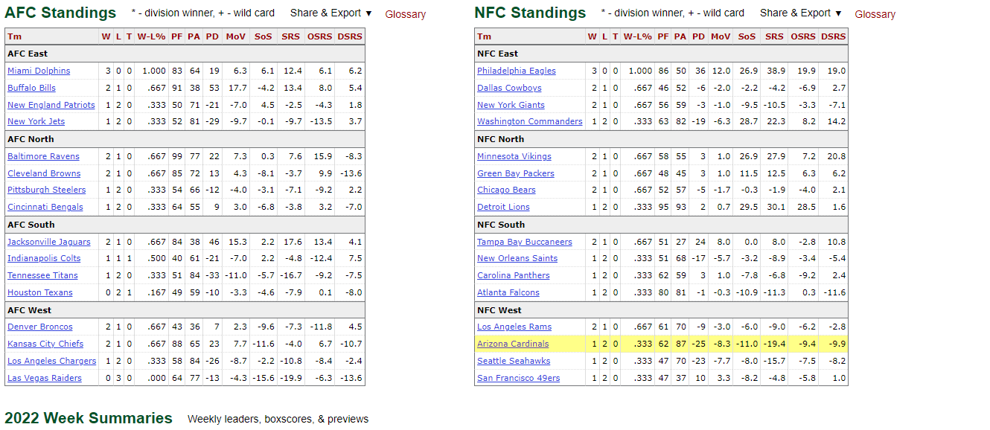
 |  | Net Pts | Wins | Super Bowl Championships
1 | Patriots | 1599 | 128 | 2015 Super Bowl Champions 2017 Super Bowl Champions 2019 Super Bowl Champions
2 | Packers | 708 | 118 | 2011 Super Bowl Champions
3 | Chiefs | 643 | 112 | 2020 Super Bowl Champions
4 | Seahawks | 946 | 112 | 2014 Super Bowl Champions
5 | Steelers | 574 | 111
6 | Saints | 813 | 110
7 | Ravens | 793 | 105 | 2013 Super Bowl Champions
8 | Cowboys | 380 | 98
9 | Broncos | 284 | 97 | 2016 Super Bowl Champions
10 | Colts |  | 92
11 | Bills | 106 | 91
12 | 49ers | 127 | 90
13 | Eagles | 208 | 90 | 2018 Super Bowl Champions
14 | Vikings | 105 | 90
15 | Cardinals |  | 89
16 | Rams |  | 88 | 2022 Super Bowl Champions
17 | Bengals | 72 | 87
18 | Falcons | 21 | 87
19 | Panthers |  | 86
20 | Titans |  | 86
21 | Chargers | 133 | 84
22 | Texans |  | 84
23 | Dolphins |  | 82
24 | Buccaneers | -347 | 73 | 2021 Super Bowl Champions
25 | Giants | -556 | 70 | 2012 Super Bowl Champions

 |  |  |  |  | https://www.pro-football-reference.com/years/2022/index.htm

Final Listing
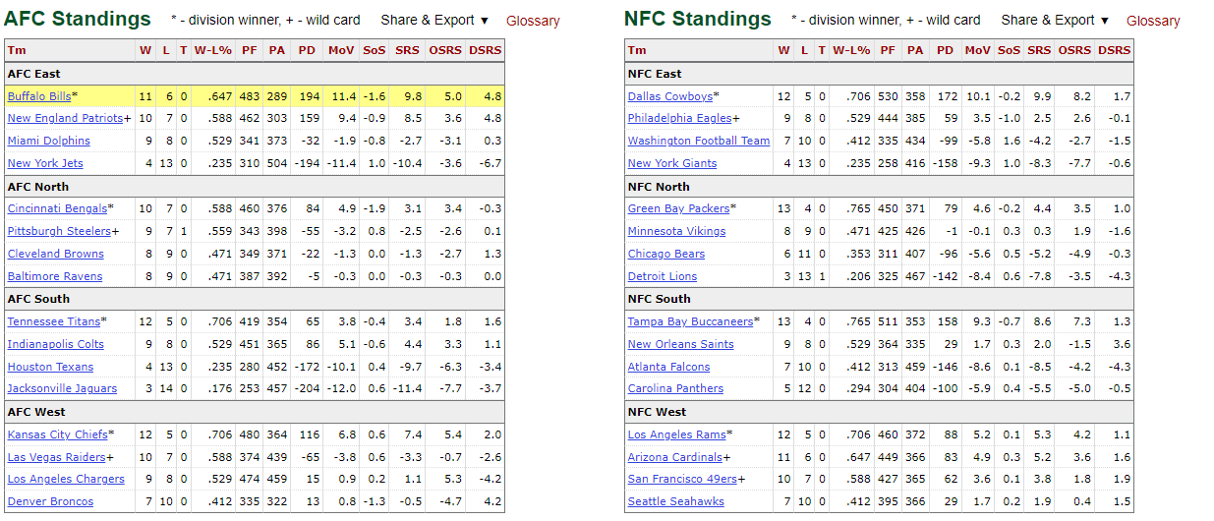
 |  | Net Pts | Wins | Super Bowl Championships |  |  |  | Net Pts | Wins | Super Bowl Championships |  |  |  | Net Pts | Wins | Super Bowl Championships |  |  |  | Net Pts | Wins | Super Bowl Championships
1 | Patriots | 1599 | 128 | 2015 Super Bowl Champions 2017 Super Bowl Champions 2019 Super Bowl Champions |  | 1 | Patriots | 1599 | 128 | 2015 Super Bowl Champions 2017 Super Bowl Champions 2019 Super Bowl Champions |  | 1 | Patriots | 1599 | 128 | 2015 Super Bowl Champions 2017 Super Bowl Champions 2019 Super Bowl Champions
2 | Packers | 708 | 118 | 2011 Super Bowl Champions |  | Repeat Champions
3 | Chiefs | 643 | 112 | 2020 Super Bowl Champions
4 | Ravens | 793 | 105 | 2013 Super Bowl Champions
5 | Cowboys | 380 | 98 |  |  | 2 | Packers | 708 | 118 | 2011 Super Bowl Champions |  | 2 | Packers | 708 | 118 | 2011 Super Bowl Champions |  | 1 | Packers | 708 | 118 | 2011 Super Bowl Champions | 1 | Packers | 708 | 118 | 2011 Super Bowl Champions
6 | Broncos | 284 | 97 | 2016 Super Bowl Champions |  | 3 | Chiefs | 643 | 112 | 2020 Super Bowl Champions |  | 3 | Chiefs | 643 | 112 | 2020 Super Bowl Champions |  | 2 | Chiefs | 643 | 112 | 2020 Super Bowl Champions | 2 | Chiefs | 643 | 112 | 2020 Super Bowl Champions
7 | Bills | 106 | 91 |  |  | 4 | Ravens | 793 | 105 | 2013 Super Bowl Champions |  | 4 | Broncos | 284 | 97 | 2016 Super Bowl Champions |  | 3 | Broncos | 284 | 97 | 2016 Super Bowl Champions | 3 | Broncos | 284 | 97 | 2016 Super Bowl Champions
8 | Eagles | 208 | 90 | 2018 Super Bowl Champions |  | 5 | Broncos | 284 | 97 | 2016 Super Bowl Champions |  | 5 | Eagles | 208 | 90 | 2018 Super Bowl Champions |  | 4 | Eagles | 208 | 90 | 2018 Super Bowl Champions | 4 | Eagles | 208 | 90 | 2018 Super Bowl Champions
9 | Vikings | 105 | 90 |  |  | 6 | Eagles | 208 | 90 | 2018 Super Bowl Champions |  | 6 | Rams | -43 | 88 | 2022 Super Bowl Champions |  | 5 | Rams | -43 | 88 | 2022 Super Bowl Champions | 5 | Rams | -43 | 88 | 2022 Super Bowl Champions
10 | Rams | -43 | 88 | 2022 Super Bowl Champions |  | 7 | Rams | -43 | 88 | 2022 Super Bowl Champions |  | 7 | Buccaneers | -347 | 73 | 2021 Super Bowl Champions |  | 6 | Buccaneers | -347 | 73 | 2021 Super Bowl Champions | 6 | Buccaneers | -347 | 73 | 2021 Super Bowl Champions
11 | Falcons | 21 | 87 |  | Patriots are the only team to win in | 8 | Buccaneers | -347 | 73 | 2021 Super Bowl Champions | Based on 2021 Record |  |  |  |  |  | Based on 2022 Week 3 |  |  |  |  |  | 7 | Cowboys | 380 | 98
12 | Bengals | 72 | 87 |  | multiple seasons in last 10 years | 9 | Giants | -556 | 70 | 2012 Super Bowl Champions |  |  |  |  |  |  |  |  |  |  |  |  | 8 | Bills | 106 | 91
13 | Chargers | 133 | 84 |  |  | One-Time Champions |  |  |  |  |  |  |  |  |  |  |  |  |  |  |  |  | 9 | Vikings | 105 | 90
14 | Dolphins | -492 | 82 |  |  |  |  |  |  |  |  |  |  |  |  |  |  |  |  |  |  |  | 10 | Bengals | 72 | 87
15 | Buccaneers | -347 | 73 | 2021 Super Bowl Champions |  | 10 | Cowboys | 380 | 98 |  |  | 8 | Cowboys | 380 | 98 |  |  | 7 | Cowboys | 380 | 98
16 | Giants | -556 | 70 | 2012 Super Bowl Champions |  | 11 | Bills | 106 | 91 |  |  | 9 | Bills | 106 | 91 |  |  | 8 | Bills | 106 | 91
 |  |  |  |  |  | 12 | Vikings | 105 | 90 |  |  | 10 | Vikings | 105 | 90 |  |  | 9 | Vikings | 105 | 90
 |  |  |  |  |  | 13 | Falcons | 21 | 87 |  |  | 11 | Bengals | 72 | 87 |  |  | 10 | Bengals | 72 | 87
 |  |  |  |  |  | 14 | Bengals | 72 | 87 |  |  | 12 | Titans | -284 | 86
 |  |  |  |  |  | 15 | Chargers | 133 | 84 |  |  | 13 | Dolphins | -492 | 82
 |  |  |  |  |  | 16 | Dolphins | -492 | 82
 |  |  |  |  |  | Non- Champions

